Daily Power Station Chart_14-01
Plant_25/01/2025Chart

Plant:odco1 |  |  | Installed Capacity:111.180kWp
Today Yield(kWh):253.300kWh |  | Today Earning:101320.000TND |  | Today Full Load Hours(h):2.28h

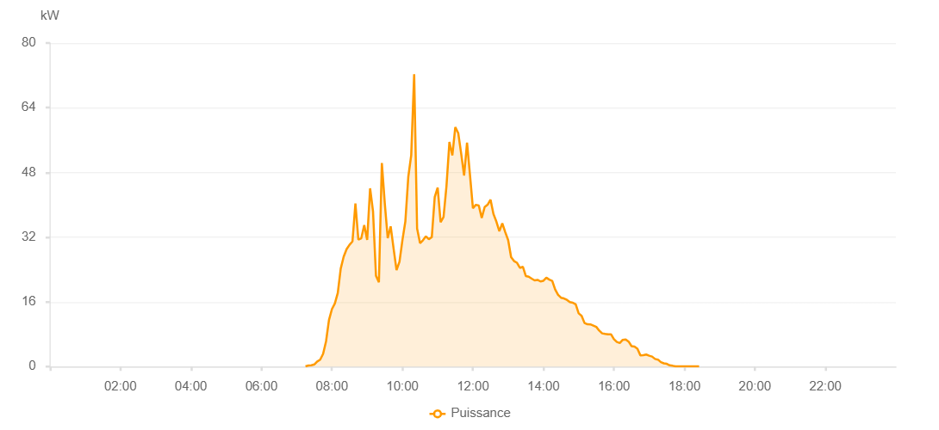

Number | Time | Working State | PV(W) | Instantaneous Radiation(W/㎡)
1 | 07:15:00 | Online | 50.00000 | 0
2 | 07:20:00 | Online | 270.00000 | 0
3 | 07:25:00 | Online | 320.00000 | 0
4 | 07:30:00 | Online | 530.00000 | 1.00000
5 | 07:35:00 | Online | 1260.00000 | 7.00000
6 | 07:40:00 | Online | 1700.00000 | 13.00000
7 | 07:45:00 | Online | 3140.00000 | 21.00000
8 | 07:50:00 | Online | 6210.00000 | 32.00000
9 | 07:55:00 | Online | 11500.00000 | 96.00000
10 | 08:00:00 | Online | 14190.00000 | 136.00000
11 | 08:05:00 | Online | 15600.00000 | 166.00000
12 | 08:10:00 | Online | 18200.00000 | 193.00000
13 | 08:15:00 | Online | 24220.00000 | 234.00000
14 | 08:20:00 | Online | 27160.00000 | 283.00000
15 | 08:25:00 | Online | 29020.00000 | 321.00000
16 | 08:30:00 | Online | 30110.00000 | 349.00000
17 | 08:35:00 | Online | 30940.00000 | 365.00000
18 | 08:40:00 | Online | 40300.00000 | 380.00000
19 | 08:45:00 | Online | 31400.00000 | 378.00000
20 | 08:50:00 | Online | 31730.00000 | 263.00000
21 | 08:55:00 | Online | 34960.00000 | 340.00000
22 | 09:00:00 | Online | 31320.00000 | 365.00000
23 | 09:05:00 | Online | 44060.00000 | 305.00000
24 | 09:10:00 | Online | 38320.00000 | 372.00000
25 | 09:15:00 | Online | 22460.00000 | 411.00000
26 | 09:20:00 | Online | 20830.00000 | 181.00000
27 | 09:25:00 | Online | 50320.00000 | 203.00000
28 | 09:30:00 | Online | 40300.00000 | 653.00000
29 | 09:35:00 | Online | 31740.00000 | 425.00000
30 | 09:40:00 | Online | 34670.00000 | 374.00000
31 | 09:45:00 | Online | 29160.00000 | 269.00000
32 | 09:50:00 | Online | 23830.00000 | 188.00000
33 | 09:55:00 | Online | 25930.00000 | 200.00000
34 | 10:00:00 | Online | 31230.00000 | 243.00000
35 | 10:05:00 | Online | 35870.00000 | 324.00000
36 | 10:10:00 | Online | 46880.00000 | 434.00000
37 | 10:15:00 | Online | 52280.00000 | 463.00000
38 | 10:20:00 | Online | 72290.00000 | 398.00000
39 | 10:25:00 | Online | 34140.00000 | 516.00000
40 | 10:30:00 | Online | 30490.00000 | 359.00000
41 | 10:35:00 | Online | 31230.00000 | 271.00000
42 | 10:40:00 | Online | 32200.00000 | 240.00000
43 | 10:45:00 | Online | 31490.00000 | 260.00000
44 | 10:50:00 | Online | 31990.00000 | 253.00000
45 | 10:55:00 | Online | 41920.00000 | 321.00000
46 | 11:00:00 | Online | 44250.00000 | 433.00000
47 | 11:05:00 | Online | 35690.00000 | 433.00000
48 | 11:10:00 | Online | 36970.00000 | 343.00000
49 | 11:15:00 | Online | 44630.00000 | 382.00000
50 | 11:20:00 | Online | 55550.00000 | 455.00000
51 | 11:25:00 | Online | 52210.00000 | 491.00000
52 | 11:30:00 | Online | 59200.00000 | 504.00000
53 | 11:35:00 | Online | 57740.00000 | 557.00000
54 | 11:40:00 | Online | 52670.00000 | 553.00000
55 | 11:45:00 | Online | 47220.00000 | 384.00000
56 | 11:50:00 | Online | 55370.00000 | 377.00000
57 | 11:55:00 | Online | 47410.00000 | 404.00000
58 | 12:00:00 | Online | 39130.00000 | 419.00000
59 | 12:05:00 | Online | 40000.00000 | 342.00000
60 | 12:10:00 | Online | 39810.00000 | 357.00000
61 | 12:15:00 | Online | 36760.00000 | 328.00000
62 | 12:20:00 | Online | 39440.00000 | 306.00000
63 | 12:25:00 | Online | 40020.00000 | 378.00000
64 | 12:30:00 | Online | 41250.00000 | 351.00000
65 | 12:35:00 | Online | 37710.00000 | 347.00000
66 | 12:40:00 | Online | 35820.00000 | 321.00000
67 | 12:45:00 | Online | 33470.00000 | 270.00000
68 | 12:50:00 | Online | 35420.00000 | 264.00000
69 | 12:55:00 | Online | 33260.00000 | 293.00000
70 | 13:00:00 | Online | 31250.00000 | 274.00000
71 | 13:05:00 | Online | 27060.00000 | 238.00000
72 | 13:10:00 | Online | 26090.00000 | 217.00000
73 | 13:15:00 | Online | 25670.00000 | 222.00000
74 | 13:20:00 | Online | 24400.00000 | 205.00000
75 | 13:25:00 | Online | 24670.00000 | 201.00000
76 | 13:30:00 | Online | 22380.00000 | 191.00000
77 | 13:35:00 | Online | 22220.00000 | 190.00000
78 | 13:40:00 | Online | 21740.00000 | 187.00000
79 | 13:45:00 | Online | 21320.00000 | 179.00000
80 | 13:50:00 | Online | 21440.00000 | 176.00000
81 | 13:55:00 | Online | 21050.00000 | 181.00000
82 | 14:00:00 | Online | 21220.00000 | 177.00000
83 | 14:05:00 | Online | 21970.00000 | 182.00000
84 | 14:10:00 | Online | 21510.00000 | 186.00000
85 | 14:15:00 | Online | 21190.00000 | 181.00000
86 | 14:20:00 | Online | 19050.00000 | 173.00000
87 | 14:25:00 | Online | 17720.00000 | 161.00000
88 | 14:30:00 | Online | 17020.00000 | 149.00000
89 | 14:35:00 | Online | 16840.00000 | 144.00000
90 | 14:40:00 | Online | 16480.00000 | 139.00000
91 | 14:45:00 | Online | 15940.00000 | 132.00000
92 | 14:50:00 | Online | 15780.00000 | 126.00000
93 | 14:55:00 | Online | 15370.00000 | 120.00000
94 | 15:00:00 | Online | 13150.00000 | 116.00000
95 | 15:05:00 | Online | 12560.00000 | 110.00000
96 | 15:10:00 | Online | 10770.00000 | 96.00000
97 | 15:15:00 | Online | 10450.00000 | 90.00000
98 | 15:20:00 | Online | 10430.00000 | 90.00000
99 | 15:25:00 | Online | 10140.00000 | 89.00000
100 | 15:30:00 | Online | 9810.00000 | 86.00000
101 | 15:35:00 | Online | 8890.00000 | 82.00000
102 | 15:40:00 | Online | 8210.00000 | 69.00000
103 | 15:45:00 | Online | 8080.00000 | 64.00000
104 | 15:50:00 | Online | 7970.00000 | 62.00000
105 | 15:55:00 | Online | 8000.00000 | 61.00000
106 | 16:00:00 | Online | 6790.00000 | 62.00000
107 | 16:05:00 | Online | 6100.00000 | 57.00000
108 | 16:10:00 | Online | 5830.00000 | 50.00000
109 | 16:15:00 | Online | 6610.00000 | 51.00000
110 | 16:20:00 | Online | 6720.00000 | 57.00000
111 | 16:25:00 | Online | 6190.00000 | 52.00000
112 | 16:30:00 | Online | 5060.00000 | 46.00000
113 | 16:35:00 | Online | 4950.00000 | 43.00000
114 | 16:40:00 | Online | 4420.00000 | 37.00000
115 | 16:45:00 | Online | 2790.00000 | 28.00000
116 | 16:50:00 | Online | 2820.00000 | 22.00000
117 | 16:55:00 | Online | 2970.00000 | 26.00000
118 | 17:00:00 | Online | 2680.00000 | 23.00000
119 | 17:05:00 | Online | 2470.00000 | 18.00000
120 | 17:10:00 | Online | 1890.00000 | 16.00000
121 | 17:15:00 | Online | 1720.00000 | 15.00000
122 | 17:20:00 | Online | 1080.00000 | 13.00000
123 | 17:25:00 | Online | 800.00000 | 8.00000
124 | 17:30:00 | Online | 680.00000 | 5.00000
125 | 17:35:00 | Online | 300.00000 | 3.00000
126 | 17:40:00 | Online | 190.00000 | 2.00000
127 | 17:45:00 | Online | 50.00000 | 0
128 | 17:50:00 | Online | 50.00000 | 0
129 | 17:55:00 | Online | 50.00000 | 0
130 | 18:00:00 | Online | 50.00000 | 0
131 | 18:05:00 | Online | 50.00000 | 0
132 | 18:10:00 | Online | 50.00000 | 0
133 | 18:15:00 | Online | 40.00000 | 0
134 | 18:20:00 | Online | 40.00000 | 0
135 | 18:25:00 | Online | 40.00000 | 0
136 | 18:50:00 | Online | 0.00001 | 0.00001

